1. Title Page
Instacart Data Analysis

Project Name: Instacart Data Analysis
Date:17/10/2024
Analyst Name: Eleni Oikonomidou

Contents:
Population Flow
Consistency checks
Wrangling steps
Column derivations
Visualizations
Recommendations

The Instacart Online Grocery Shopping

Dataset 2017”, Accessed from www.instacart.com/datasets/grocery-shopping-2017 via Kaggle

2. Population Flow
j |  | Title page

Population flow

Exclusion flag
Condition: max_order < 5
Obervations to be removed:
Final total count of order_products_all:

Orders_products_combined
Orders_products_merged
Orders_products_all

Total:32,399,732
Total: 32,399,732
Total:
 | 32,404,858

1.) The grey boxes in the first row of the population flow represent the original data sets as they were when you downloaded them. In the Total fields you need to add the count of the rows when you imported the data set into Jupyter.
2.) The second row of boxes (coloured) represents the data sets after you manipulated them, e.g., removed missing values and duplicates. In the Total fields you need to add the count of the rows after conducting these operations. This offers a visual oveview of how the data flows throughout the data consistency checks.
3.) The third row, where also the arrows are coloured, represents the merges you performed between the datasets. In the Total fields you need to add the count of the rows in the merged datasets, so that you end up with the final dataset (in the red box). Keep in mind the final dataset should be without exclusions (based on the exclusion flag).

3. Consistency checks
 |  |  |  | Title page
Consistency checks

Dataset | Missing values | Missing values treatment | Duplicates
orders | 206,209 in the 'days_since_prior_order' column | Flagged as first_order(for first orders, there can't be a prior order) | No duplicates
products | 16 missing 'product_name' | Deleted rows missing data | 5 duplicates, deleted
orders_products_prior | None | None | No duplicates
customers | None | None | No duplicates
orders_products_customers | prices over $100 marked as missing | changed to Nan

Handling Outliers:

I identified an outlier in the products dataset where the price was 99,999 and removed it.
Additionally,I removed another product priced at 14,900, which also seemed like an outlier.

4. Wrangling steps
 |  |  |  | Title page
Wrangling steps

Columns dropped | Columns renamed | Columns' type changed
eval_set | order_dow -> orders_day_of_week | order_id -> str | Unnecessary for this analysis
 |  | 'user_id -> str | Data type changed from integer to string
 | days_since_prior_order -> days_since_last_order |  | Easier to understand
Unnamed: 0 | Unnamed -> department_id |  | Easier to understand, part of merging
_merge |  |  | Dropped after merge

5. Column derivations
 |  |  |  | Title page

Column derivations and aggregations

Dataset | New column | Column/s it was derived from | Conditions
ords_prods_merge | price_range | prices | if prices <= 5 then 'low-range product' if prices >5 & <= 15 then 'mid-range product' if prices > 15 then 'high-range product' else 'not enough data'
ords_prods_merge | busiest_day | orders_day_of_week | if value == 0 then 'busiest day' if value == 4 then 'least busy' else 'regularly busy'
ords_prods_merge | busiest_days | orders_day_of_week | if value == 0 or 1 then 'busiest days' if value == 3 or 4 then 'slowest days' else 'regularly busy'
ords_prods_merge | busiest_period_of_day | hour_of_day | if value == 10 or 11 then 'most orders' if value == 3 or 4 then 'fewest orders' else 'average orders'
ords_prods_merge | loyalty_flag | max_order | if value > 40 then 'loyal customer' if value <= 40 & > 10 then 'regular customer' if value < 10 then 'new customer'
ords_prods_merge | mean_spend | prices | average price per customer
ords_prods_merge | spender_flag | mean_spend | if value > 10 then 'low spender' if value >= 10 then 'high customer'
ords_prods_merge | customer_frequency | days_since_prior_order | if value < 20 then 'non_frequent_customer' if value <= 20 & > 10 then 'regular customer' if value > 10 then 'frequent customer'
ords_prods_cust_merge | Region | State | State defined into regions according to this List of regions of the United States
ords_prods_cust_merge | activity_flag | max_order | if value < 5 then 'low-activity customer' if value >= 5 then 'high-activity customer'
low_activity_excluded | income_group | Income | if value > 150000 then 'high income' if value >= 55000 & < 150000 then 'middle income' if value < 55000 then 'low income'
low_activity_excluded | age_group | Age | if value > 64 then 'senior' if value > 44 & <= 64 then 'middle-aged' if value > 25 & <= 44 then 'adult' if value <= 25 then 'young adult'
low_activity_excluded | dependants_flag | Number_Of_Dependants | if value == 0 then 'no dependants' if value >= 1 then 'has dependants'

6. Visualizations
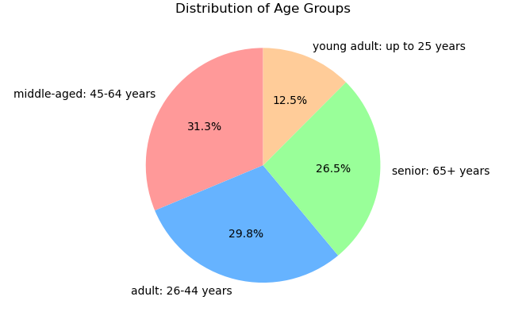
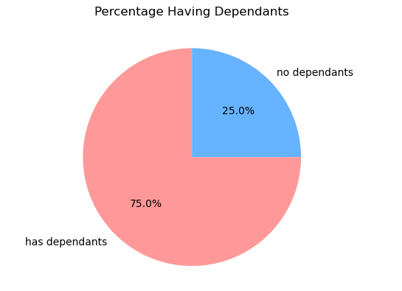
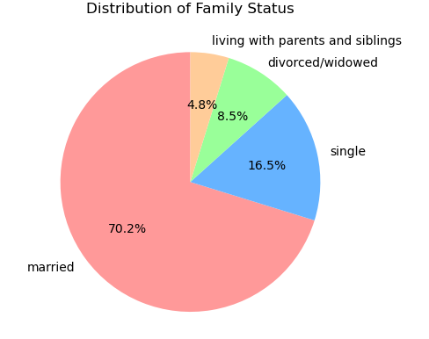
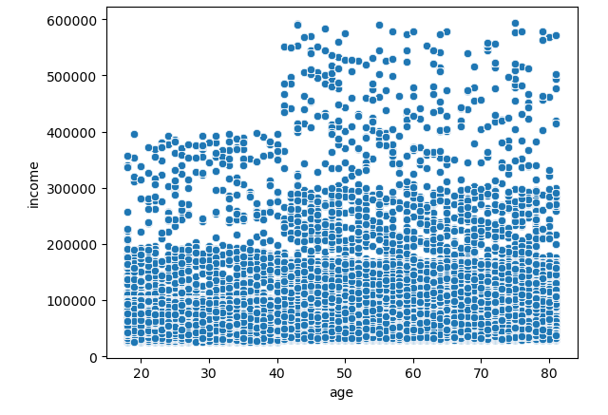
 |  |  |  | Title page

Visualisations

Question
From the Sales Team: What are the busiest days of the week and hours of the day?

Commentary
Saturday and Sunday are the busiest days of the week, with a notable drop in orders during Tuesday and Wednesday. Most orders are placed between 9 AM and 4 PM, with a peak around 10 AM to 11 AM.
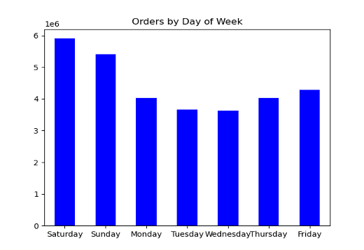


Question
From the Sales Team: Are there particular times of day when people spend the most money?
Commentary
Highest spending occurs between 10 AM and 4 PM. Expenditure peaks around 11 AM and gradually decreases towards the evening, with minimal activity during early morning hours (12 AM to 5 AM).
Sales of products are higher on the weekends
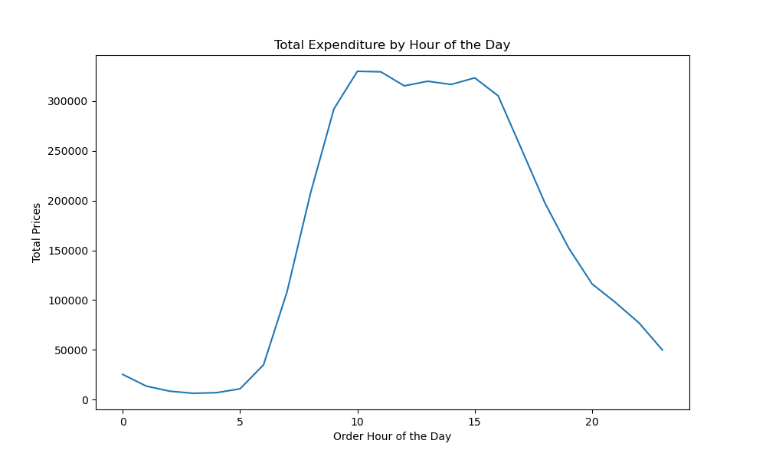
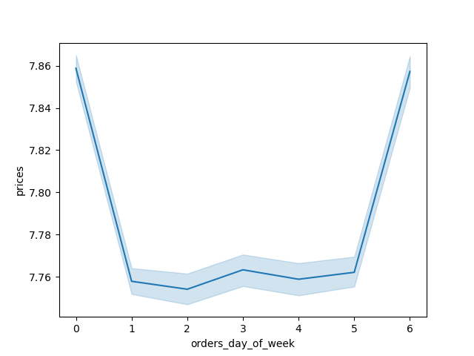

Question
Marketing and Sales Team: Are there certain products that are more popular than others?

Commentary
Marketing and Sales Team: Are there certain products that are more popular than others?
Produce, dairy/eggs, snacks, and beverages are consistently the top sellers, indicating a strong demand for fresh food and convenient, ready-to-eat products.

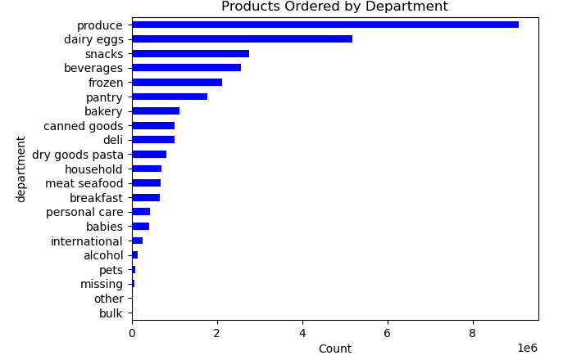

 | Question
 | Marketing and Sales Team: What is the distribution among users as to how often they return to Instacart?

 | Commentary
 | The charts highlight that the majority of Instacart's loyal and regular customers are middle-aged and belong to the middle-income group.
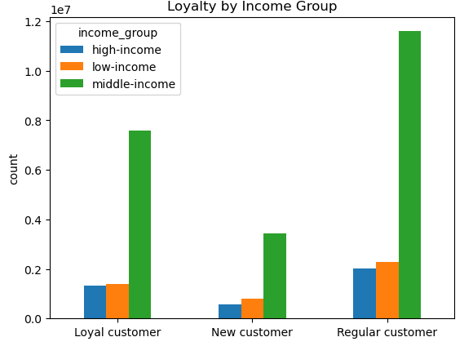
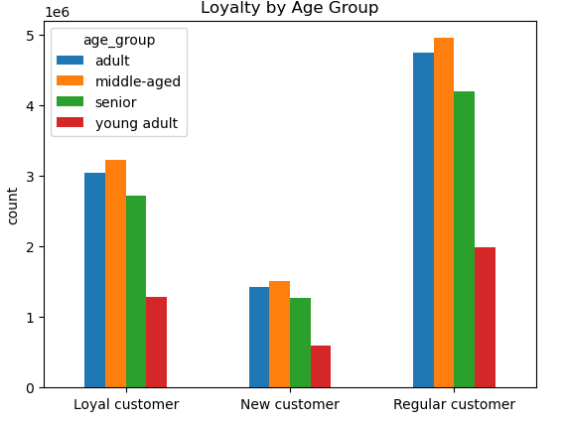

 | Question
 | Marketing and Sales Team: Are there differences in ordering habits based on loyalty status?
 | Commentary
 | It appears that low spenders make up the vast majority of customers across all loyalty groups (loyal, new, and regular customers).

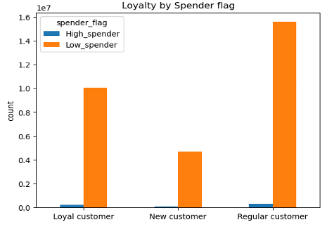

 | Question
 | Marketing and Sales Team: Are there differences in ordering habits based on region?

 | Commentary
 | Customers in the South and West regions have the highest sales in produce, snacks, and dairy/eggs. This suggests that marketing efforts in these regions should focus on promoting these categories. Produce appears to be particularly strong across all regions, highlighting its importance across different customer bases.

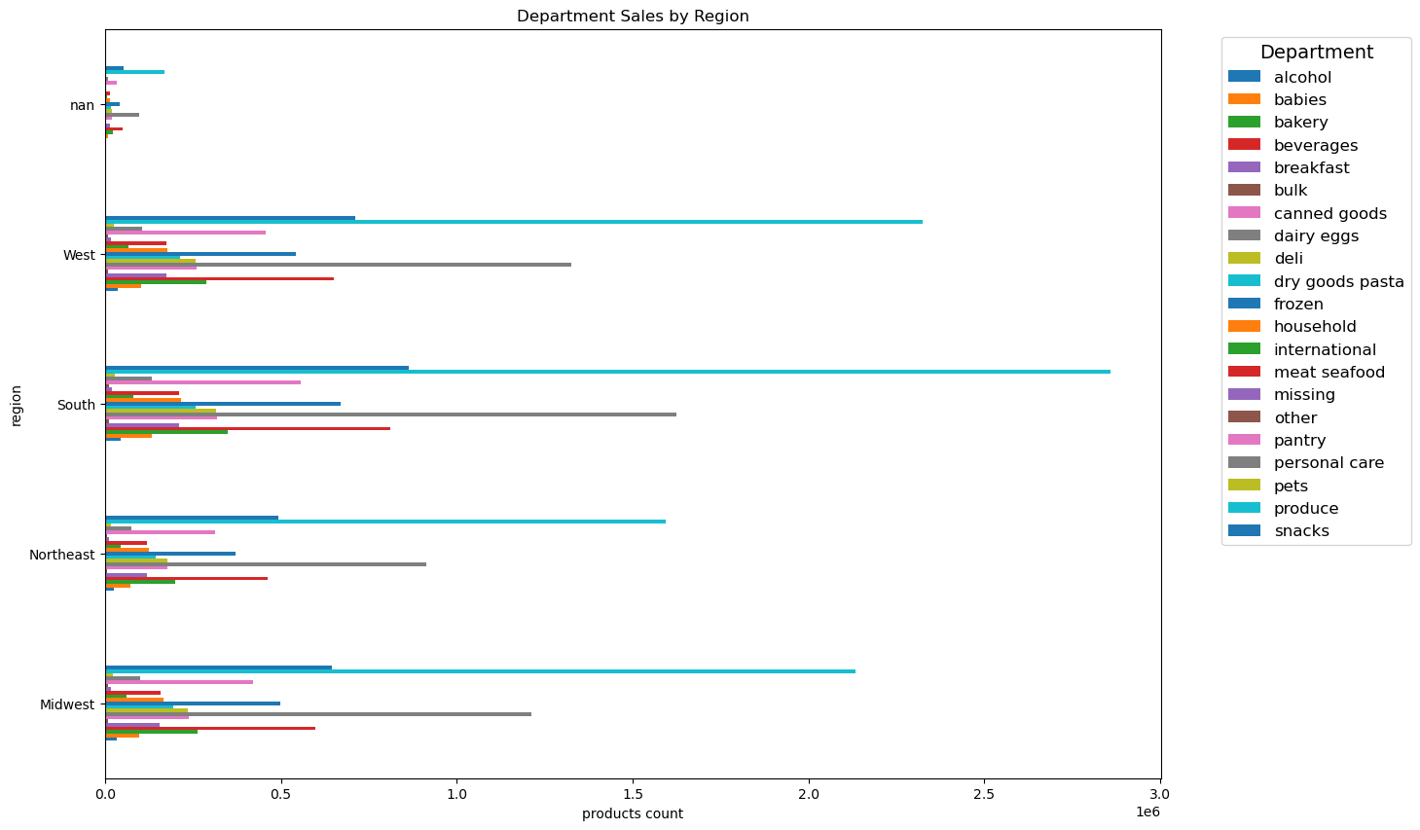

Question
Marketing and Sales Team: Is there a connection between age and family status and ordering habits?

Commentary
Most customers who are loyal and regular shoppers tend to be adults or middle-aged.
Married customers dominate both the loyal and regular customer segments, which implies that families are a significant customer base for Instacart.
Customers with dependents are much more frequent among loyal and regular customers compared to those without dependents.

 |  | ›

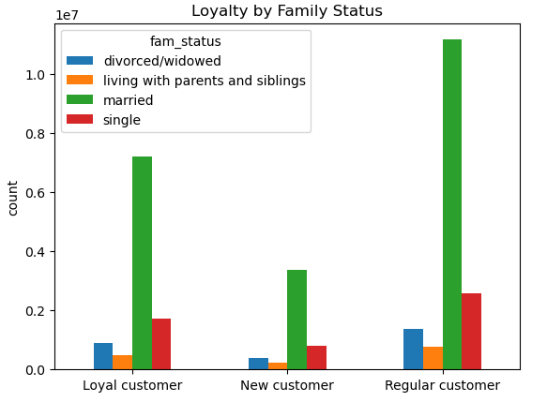

 |  |  | ›
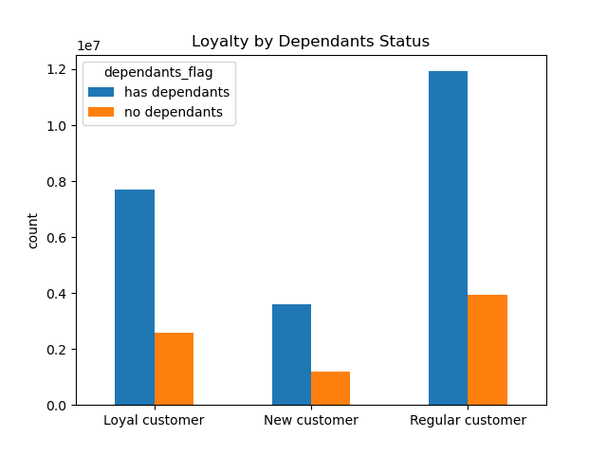

Question
Marketing and Sales Team: What different classifications does the demographic information suggest? Age? Income? Certain types of goods? Family status??

Commentary
The majority of customers are either adults (26-44 years) or middle-aged (45-64 years), accounting for 76.5% of the total.
Over 70% of customers are married, further reinforcing the finding that families, especially those with dependents, are a key demographic for Instacart.
75% of customers have dependents, indicating that households with children are highly represented.
Income distribution could suggest that the upper-income bracket tends to include customers over 40.

7. Recommendations
 |  |  | Title page

Recommendations

Question | Answer | Recommendations
What are the busiest days of the week and hours of the day? | Saturday and Sunday are the busiest days of the week, with a notable drop in orders during Tuesday and Wednesday. Most orders are placed between 9 AM and 4 PM, with a peak around 10 AM to 11 AM. | Since Saturday and Sunday are the busiest days, Instacart can optimize staffing and delivery times during these peak periods. Additionally, sales and promotions should be scheduled during quieter times (Tuesday and Wednesday) to balance demand and increase activity during slower days.
Are there particular times of day when people spend the most money? | Highest spending occurs between 10 AM and 4 PM. Expenditure peaks around 11 AM and gradually decreases towards the evening, with minimal activity during early morning hours (12 AM to 5 AM). Sales of products are higher on the weekends | Instacart should focus advertising and promotional campaigns during the high-expenditure window (10 AM - 4 PM) to capitalize on peak spending. Offering time-limited discounts or special deals around 11 AM could further boost sales.
Are there certain products that are more popular than others? | Produce, dairy/eggs, snacks, and beverages are consistently the top sellers, indicating a strong demand for fresh food and convenient, ready-to-eat products. | Given the high demand for produce, dairy/eggs, snacks, and beverages, Instacart can feature these products prominently in its marketing campaigns. Targeted promotions and bundle deals on these categories, especially on weekends, can help boost sales further.
Are there differences in ordering habits based on loyalty status? | It appears that low spenders make up the vast majority of customers across all loyalty groups (loyal, new, and regular customers). | Since low spenders make up a large portion of all customer segments, Instacart could implement loyalty programs with benefits that encourage low spenders to increase their basket size. Offering incentives such as free delivery on larger orders or exclusive access to certain products can motivate higher spending.
Are there differences in ordering habits based on region? | Customers in the South and West regions have the highest sales in produce, snacks, and dairy/eggs. Produce appears to be particularly strong across all regions, highlighting its importance across different customer bases. | Instacart should tailor regional promotions, with a particular focus on the South and West, which have the highest sales in popular categories like produce and dairy/eggs. Regional campaigns should emphasize fresh food offerings to appeal to local preferences.
What is the distribution among users as to how often they return to Instacart? Is there a connection between age and family status and ordering habits? What different classifications does the demographic information suggest? Age? Income? Certain types of goods? Family status?? | The charts highlight that the majority of Instacart's loyal and regular customers are middle-aged and belong to the middle-income group Most customers who are loyal and regular shoppers tend to be adults or middle-aged. Married customers dominate both the loyal and regular customer segments, which implies that families are a significant customer base for Instacart.Customers with dependents are much more frequent among loyal and regular customers compared to those without dependents. The majority of customers are either adults (26-44 years) or middle-aged (45-64 years), accounting for 76.5% of the total.Over 70% of customers are married, further reinforcing the finding that families, especially those with dependents, are a key demographic for Instacart.75% of customers have dependents, indicating that households with children are highly represented. | Since a significant portion of loyal and regular customers are middle-aged and belong to the middle-income group, Instacart could create personalized email campaigns and app notifications to strengthen loyalty. Offering tailored recommendations based on past purchases can help maintain customer retention. Since families, particularly those with dependents, are key customer segments, Instacart should focus on promoting family-oriented products, and bulk deals, that cater to larger households. Instacart should use this demographic information to segment customers and personalize marketing strategies. For example, high-income households can be targeted with premium or organic products, while middle-aged families could be offered bulk-buying deals or subscription services for recurring grocery needs. Creating tailored shopping experiences will help drive higher engagement.
What differences can you find in ordering habits of different customer profiles? Consider the price of orders, the frequency of orders, the products customers are ordering. | Income distribution could suggest that the upper-income bracket tends to include customers over 40. | Instacart can develop targeted marketing strategies for customers over 40 in the upper-income bracket. These customers might be more likely to purchase premium products, such as organic or specialty goods.Additionally, providing personalized recommendations based on their purchase history and frequent orders could help maintain their loyalty and increase order value.

